
 |  |  |  | CODE: |  |  | pl1249 ad SN from 00E000
DESCRIPTION: |  | EXTERNAL PARTS |  | EXTERNE TEILE | EXTERNES PARTIES | EXTERNAS PARTES | PARTI ESTERNE
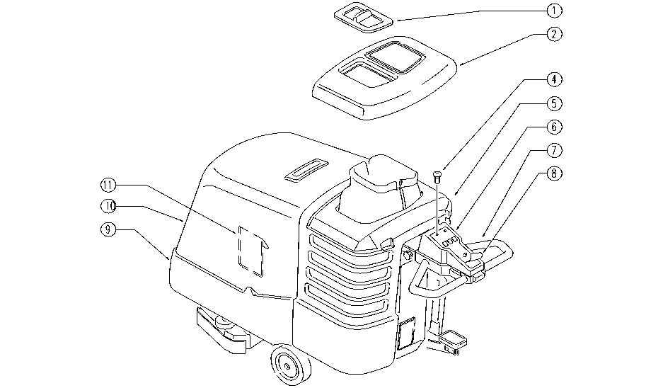

REF. | CODE | DESCRIPTION | QT
1 | SL17277 | LID | 1
2 | E86653 | Complete Tank Cap | 1
4 | E86988 | Operator D22 Mushroom complete | 1
5 | SL17272 | TANK | 1
6 | E86675 | AS28 Control Panel Support | 1
7 | SL09612 | HANDGRIP | 1
8 | E86676 | AS28 Panel Label | 1
9 | SL17274 | BUMPER | 1
10 | SL17275 | HOOD | 1
11 | SL25374 | POCKET | 1

